Cost Catagory
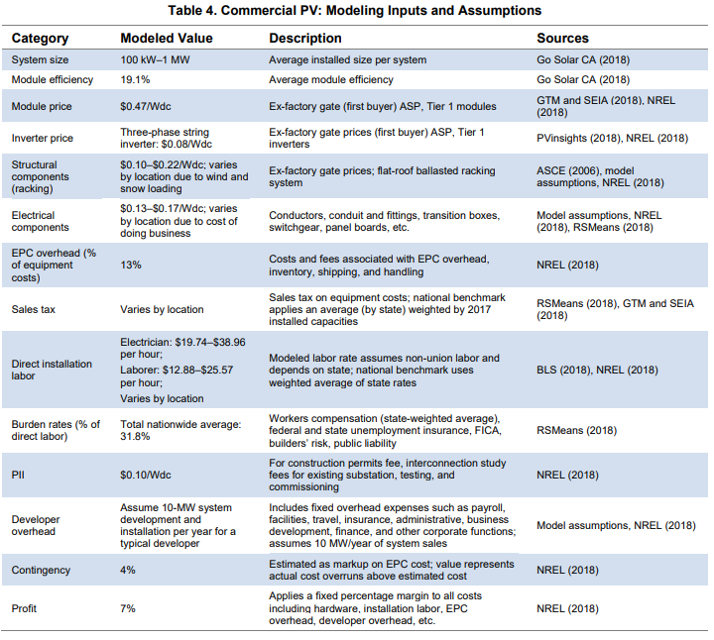
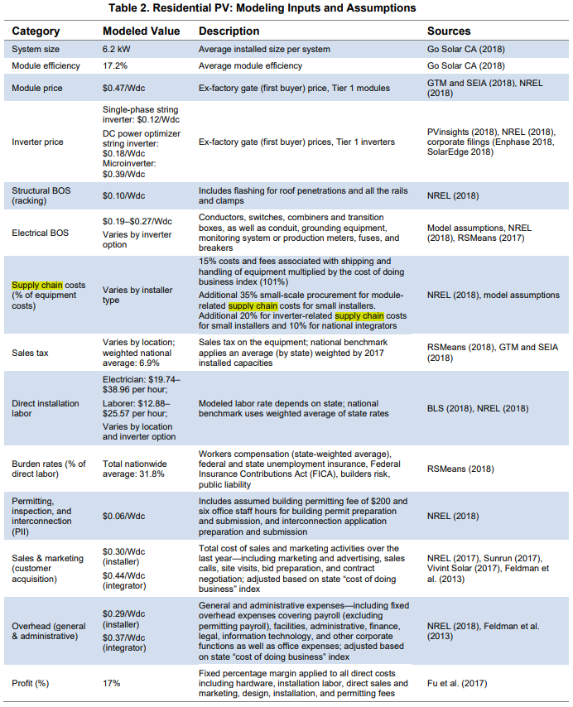
NREL: US Soloar Phoyovoltaic System Cost
U.S. Solar Photovoltaic System Cost Benchmark: Q1 2018 (nrel.gov)

China PV Industry Association
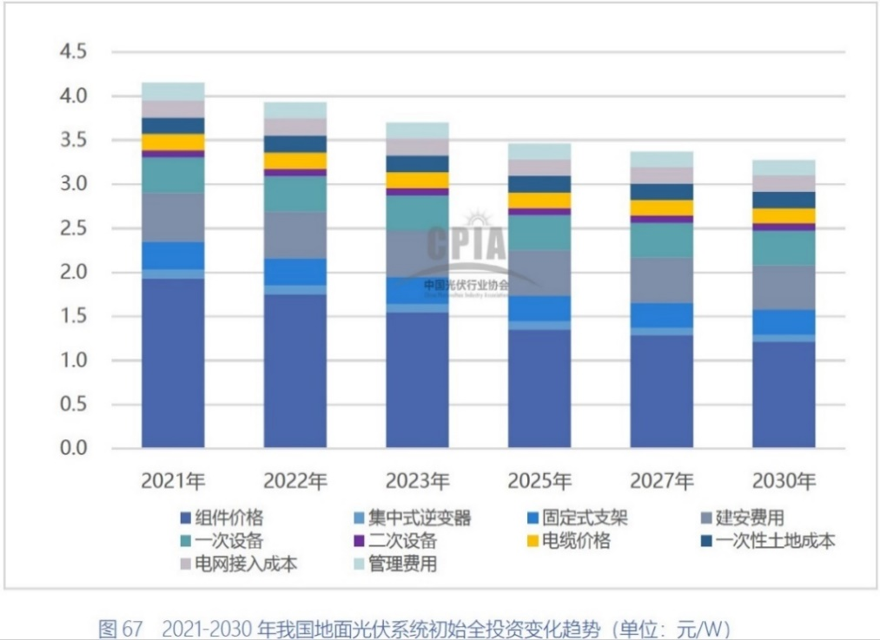
中国光伏产业发展路线图2021
《中国光伏产业发展路线图》2021年版 - 中国光伏行业协会 - (chinapv.org.cn)
工商业分布式光伏初始全投资 |  |  |  |  |  |  |  |  |  |  |  |  | 地面光伏系统初始全投资
年份 | 组件价格 | 组串式逆变器 | 支架价格 | 建安费用 | 电缆价格 | 电网接入 | 屋顶租赁 | 屋顶加固 | 一次设备 | 二次设备 | 管理费用 | 合计 | 年份 | 组件价格 | 集中式逆变器 | 固定式支架 | 建安费用 | 一次设备 | 二次设备 | 电缆价格 | 一次性土地成本 | 电网接入成本 | 管理费用 | 合计
2018 | 2.00 | 0.25 | 0.24 | 0.50 | 0.28 | 0.20 | 0.05 | 0.24 | 0.27 | 0.09 | 0.05 | 4.17 | 2018 | 2.00 | 0.13 | 0.36 | 0.75 | 0.50 | 0.09 | 0.25 | 0.18 | 0.34 | 0.32 | 4.92
2019 | 1.74 | 0.22 | 0.23 | 0.49 | 0.28 | 0.20 | 0.05 | 0.24 | 0.25 | 0.08 | 0.05 | 3.83 | 2019 | 1.74 | 0.13 | 0.32 | 0.73 | 0.50 | 0.08 | 0.23 | 0.19 | 0.31 | 0.31 | 4.55
2020 | 1.53 | 0.16 | 0.20 | 0.44 | 0.23 | 0.13 | 0.06 | 0.22 | 0.26 | 0.07 | 0.07 | 3.37 | 2020 | 1.55 | 0.11 | 0.31 | 0.61 | 0.41 | 0.09 | 0.20 | 0.19 | 0.24 | 0.26 | 3.98
2021 | 1.88 | 0.17 | 0.20 | 0.44 | 0.22 | 0.13 | 0.06 | 0.23 | 0.27 | 0.07 | 0.06 | 3.73 | 2021 | 1.93 | 0.10 | 0.31 | 0.56 | 0.40 | 0.07 | 0.18 | 0.20 | 0.20 | 0.20 | 4.15
2022 | 1.71 | 0.17 | 0.20 | 0.43 | 0.23 | 0.12 | 0.05 | 0.22 | 0.27 | 0.07 | 0.06 | 3.53 | 2022 | 1.74 | 0.11 | 0.30 | 0.54 | 0.39 | 0.08 | 0.18 | 0.20 | 0.20 | 0.18 | 3.93
2023 | 1.51 | 0.16 | 0.20 | 0.42 | 0.23 | 0.12 | 0.06 | 0.22 | 0.27 | 0.07 | 0.06 | 3.30 | 2023 | 1.54 | 0.10 | 0.29 | 0.54 | 0.39 | 0.08 | 0.17 | 0.20 | 0.20 | 0.18 | 3.70
2025 | 1.31 | 0.14 | 0.19 | 0.42 | 0.22 | 0.12 | 0.05 | 0.22 | 0.26 | 0.07 | 0.05 | 3.05 | 2025 | 1.34 | 0.09 | 0.29 | 0.52 | 0.39 | 0.08 | 0.17 | 0.20 | 0.19 | 0.18 | 3.46
2027 | 1.25 | 0.13 | 0.19 | 0.42 | 0.22 | 0.12 | 0.06 | 0.21 | 0.25 | 0.07 | 0.05 | 2.96 | 2027 | 1.29 | 0.08 | 0.28 | 0.51 | 0.39 | 0.08 | 0.17 | 0.20 | 0.19 | 0.18 | 3.37
2030 | 1.17 | 0.13 | 0.18 | 0.40 | 0.23 | 0.11 | 0.06 | 0.20 | 0.25 | 0.07 | 0.04 | 2.85 | 2030 | 1.20 | 0.08 | 0.28 | 0.51 | 0.39 | 0.08 | 0.17 | 0.20 | 0.19 | 0.17 | 3.27

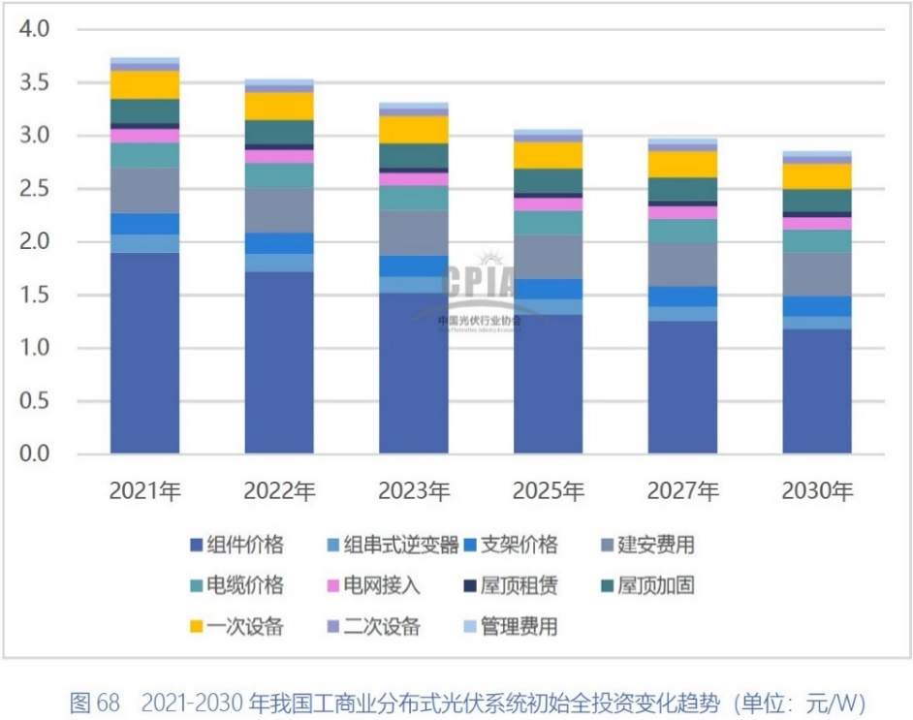
2018-2021年工商业光伏组件价格及预测
2018-2021年地面光伏电站价格及预测

Family distributed unit price
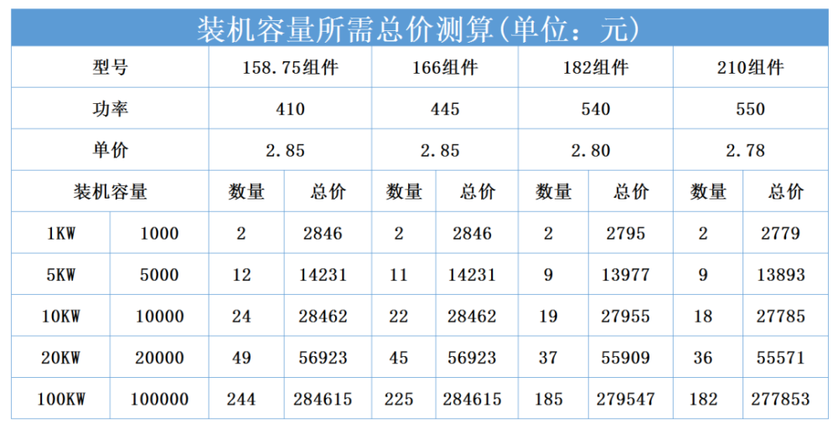
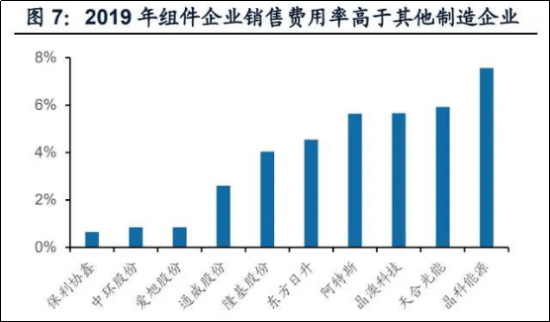
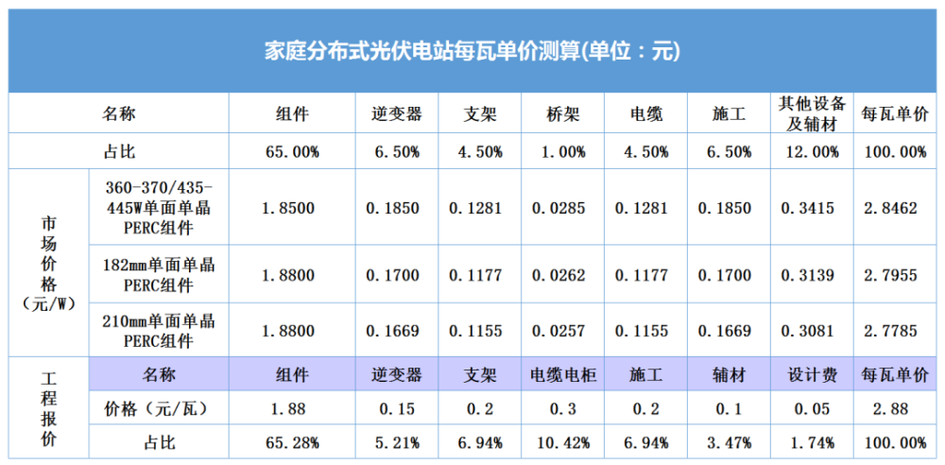
屋顶分布式光伏发电量、成本、收益计算方法详解
收藏！工商业屋顶分布式光伏电站的发电量、成本、收益计算方法详解_腾讯新闻 (qq.com) |  | 组件价格 | 组串式逆变器 | 支架价格 | 建安费用 | 电缆价格 | 电网接入 | 屋顶租赁 | 屋顶加固 | 一次设备 | 二次设备 | 管理费用
 | 2018 | 2 | 0.25 | 0.24 | 0.5 | 0.28 | 0.2 | 0.05 | 0.24 | 0.27 | 0.09 | 0.05
 | 2019 | 1.7423638778 | 0.22310756972 | 0.22841965471 | 0.48871181939 | 0.27622841965 | 0.19654714475 | 0.04780876494 | 0.2390438247 | 0.25498007968 | 0.0796812749 | 0.053120849934
 | 2020 | 1.5259661836 | 0.16485507246 | 0.20289855072 | 0.44384057971 | 0.22826086957 | 0.1268115942 | 0.059178743961 | 0.22403381643 | 0.25785024155 | 0.067632850242 | 0.067632850242
 | 2021 | 1.8841942524 | 0.17329605023 | 0.20357832626 | 0.43752375285 | 0.22410580749 | 0.12723645391 | 0.055984039722 | 0.22885596844 | 0.26913050911 | 0.066945606695 | 0.055788005579
 | 2022 | 1.7063176898 | 0.16795211916 | 0.1984888681 | 0.4292109712 | 0.23165517042 | 0.12274076587 | 0.05106423017 | 0.22393615889 | 0.26612356612 | 0.072524407252 | 0.055788005579
 | 2023 | 1.5072350516 | 0.15836697297 | 0.19814957089 | 0.42361256723 | 0.22817737402 | 0.12214699576 | 0.055984039722 | 0.21884670073 | 0.26739704509 | 0.066945606695 | 0.055788005579
 | 2025 | 1.3080675891 | 0.14377719292 | 0.18822512749 | 0.41801416325 | 0.22317274016 | 0.12214699576 | 0.05106423017 | 0.21884670073 | 0.2611343539 | 0.066945606695 | 0.050209205021
 | 2027 | 1.2482664557 | 0.13232591207 | 0.18830995179 | 0.41818381186 | 0.2179984577 | 0.1169727133 | 0.056068864024 | 0.21375724257 | 0.25330487548 | 0.066945606695 | 0.050209205021
 | 2030 | 1.1668351252 | 0.12723645391 | 0.18313566933 | 0.40284853954 | 0.22873082287 | 0.11148152843 | 0.055984039722 | 0.20366315056 | 0.24811814321 | 0.072524407252 | 0.044630404463

Explanation of station cost
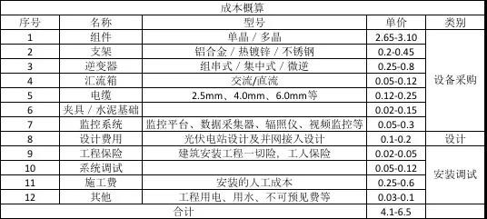
分布式光伏电站造价详解 | 成本概算
分布式光伏电站造价详解-索比光伏网 (solarbe.com) | 序号 | 类别 | 名称 | 型号 | 单价 | 均价
 | 1 | 设备采购 | 组件 | 单晶/多晶 | 2.65-3.10 | 2.875
 | 2 |  | 支架 | 铝合金/热镀锌/不锈钢 | 0.2-0.45 | 0.325
 | 3 |  | 逆变器 | 组串式、集中式、微逆 | 0.25-0.8 | 0.525
 | 4 |  | 汇流箱 | 交流、直流 | 0.05 0.12 | 0.85
 | 5 |  | 电缆 | 2.5mm,4.0mm,6.0mm | 0.12-0.25 | 0.185
 | 6 |  | 夹具/水泥基础 |  | 0.02-0.15 | 0.0875
 | 7 |  | 监控系统 | 监控平台，数据采集器，辐照仪器，施工监控等 | 0.05-0.3 | 0.175
 | 8 | 设计 | 设计费用 | 光伏电站设计及并网接入设计 | 0.1-0.2 | 0.15
 | 9 | 安装调试 | 工程保险 | 建筑安装工程一切险，工人保险 | 0.02-0.05 | 0.035
 | 10 |  | 系统调试 |  | 0.05-0.12 | 0.0875
 | 11 |  | 施工费 | 安装的人工成本 | 0.25-0.6 | 0.425
 | 12 |  | 其他 | 工程用电、用水.不可预见费等 | 0.03-0.1 | 0.07
 | 合计 |  |  |  | 4.1-6.5 | 5.79

Total Cost Calculation
Unit: $/MW | Distributed Solar Total Cap Cost |  | 0.13851126203
2019 | 1888594 | 4773865 | 661234 | 4.77E+00
2020 | 1842559 |  | 645116 | 1.11E+166
2021 | 1753675 |  | 613996
2022 | 1664792 |  | 582876
2023 | 1575908 |  | 551756
2024 | 1487024 |  | 520636
2025 | 1398140 |  | 489516
2026 | 1309256 |  | 458396
2027 | 1220373 |  | 427276
2028 | 1131489 |  | 396157
2029 | 1042605 |  | 365037
2030 | 953721 |  | 333917
2031 | 942643 |  | 330038
2032 | 931566 |  | 326160
2033 | 920488 |  | 322281
2034 | 909410 |  | 318403
2035 | 898333 |  | 314524
2036 | 887255 |  | 310645
2037 | 876177 |  | 306767
2038 | 865100 |  | 302888
2039 | 854022 |  | 299010 |  | 2018 | 2019 | 2020 | 2021 | 2022 | 2023 | 2025 | 2027 | 2030
2040 | 842944 |  | 295131 |  | 4.17 | 3.83 | 3.37 | 3.73 | 3.53 | 3.30 | 3.05 | 2.96 | 2.85
2041 | 831867 |  | 291253 |  | 1.15 | 1.15 | 1.15 | 1.15 | 1.15 | 1.15 | 1.15 | 1.15 | 1.15
2042 | 820789 |  | 287374 |  | 3.02 | 2.68 | 2.22 | 2.58 | 2.38 | 2.15 | 1.90 | 1.81 | 1.70
2043 | 809711 |  | 283496
2044 | 798634 |  | 279617 |  |  |  |  |  | 3.52E+306 | x-1.15 | -9.26E+01
2045 | 787556 |  | 275739 |  |  |  |  |  | 1.85E+201 |  | -6.07E+01
2046 | 776478 |  | 271860
2047 | 765401 |  | 267982
2048 | 754323 |  | 264103
2049 | 743245 |  | 260225
2050 | 732168 |  | 256346
2051 | 721090 |  | 252468
2052 | 710012 |  | 248589
2053 | 698934 |  | 244711
2054 | 687857 |  | 240832
2055 | 676779 |  | 236954
2056 | 665701 |  | 233075
2057 | 654624 |  | 229197
2058 | 643546 |  | 225318
2059 | 632468 |  | 221440
2060 | 621391 |  | 217561

